Sheet1
Foreign Exchange Operation of Government Bank

 | 1.7: Business Position at a Glance
 | (Taka in Crore)
 | Sl. | Particulars | Position as on Sept., 2022 | Position as on Dec. 31, 2022 | Target 2023 | Position as on Sept., 2023
 | 1 | 2 | 3 | 4 | 5 | 6
 | 1 | Deposit | 29656.85 | 32899.72 | 35250 | 33395.94
 | 2 | Loans & Advances | 24451.58 | 20634.76 | 21515 | 22823.69
 | 3 | Classified Loans & Advances | 7073.32 | 92.1.35 | - | 8094.29
 | 4 | % of Classified Loans to Total Advances | 28.93% | 44.59% | - | 35.46%
 | 5 | Recovery of Classified Loans | 591.28 | 1007.55 | 2747.12 | 1025.41
 | 6 | Total Provision Required | 4669.31 | 6032.41 | - | 5708.51
 | 7 | Total Provision Maintained | 4123.54 | 6075.91 | - | 5913.18
 | 8 | Total Provision Surplus/Shortfall | -545.77 | 43.5 | - | 204.67
 | 9 | Capital Required | 1232.06 | 1630.41 | - | 1844.35
 | 10 | Capital Maintained | -4624.42 | 2034.22 | - | 2232.54
 | 11 | Capital Shortfall/Surplus | -5856.48 | 403.81 | - | 388.19
 | 12 | 15% of Capital | - | 305.13 | - | 334.88
 | 13 | Import | 5384.3 | 7649.68 | 8415 | 12598.15
 | 14 | Export | 5901.26 | 7804.59 | 9267.13 | 6413.44
 | 15 | Foreign Remittance (Inward) | 6826.25 | 9217.83 | 9038 | 7819.82
 | 16 | Total no. of Branches (Excl. Foreign Br.) | 1181 | 1181 | - | 1179
 | 17 | Cost of Deposit (%) | 5.11% | 4.80% | - | 4.59%
 | 18 | Cost of Fund (%) | 7.00% | 6.74% | - | 6.47%
 | 19 | Total Income | 1720.95 | 2571.02 | - | 1868
 | 20 | Total Expenses | 1520.08 | 2022.88 | - | 1557
 | 21 | Profit/Loss (Operating Profit) | 200.87 | 560.14 | 1000 | 311

Business Position at a Glance

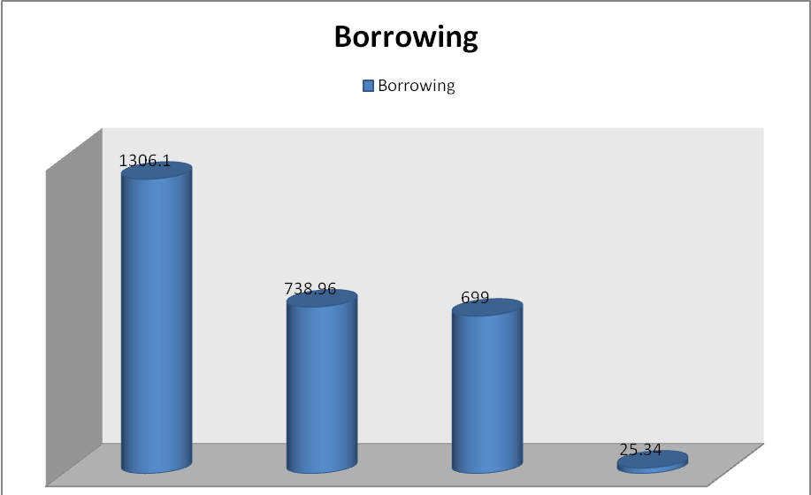

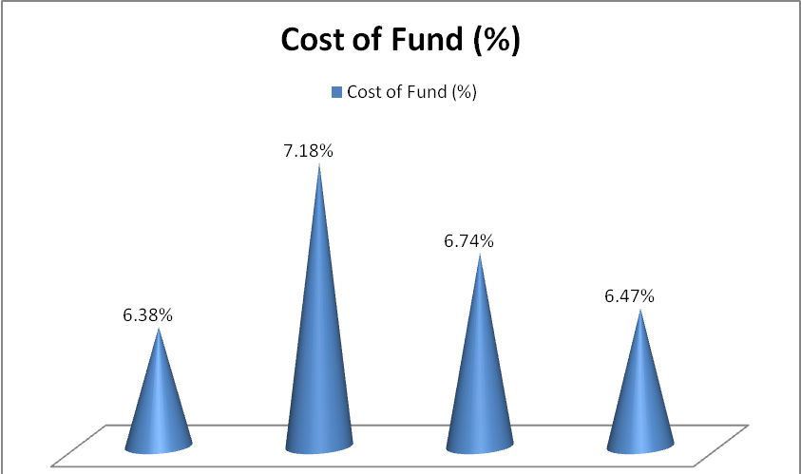

2.2 Foreign Trade Finance:
The total foreign exchange business of the Bank for the year 2023 was Tk. 1660.92 crore as against Tk. 16054.18 crore in 2022 showing an increase of 3.41%.
Comparative Position of foreign exchange business for the year 2022& 2023 are stated below: -

SI. No. | Particulars | 2022 | 2023 | (Tk. in Crore)

1 | Total Import | 5294.04 | 5257.74
2 | Total Export | 4150.31 | 4790.65
3 | Inward Remittance (Including WES) | 6069.67 | 5766.15
4 | Outward Remittance (Including WES) | 540.16 | 787.38
 | Total | 16054.18 | 16601.92

